Pivot Tables
 |  | Average of Reorder Level
 |  | 59.32
Category | Sum of Total Value (₹)
Groceries | 153161507.76 | Average of Cost per unit(₹)
Grand Total | 153161507.76 | 10289.191081

 |  | Count of Product ID | Total Product (SKU)
 |  | 148
 |  |  |  | Product Name | Stock Gap
 |  | Sum of Total Value (₹) | Total inventory value | Grand Total | 0.00
 |  | 153161507.76
Supplier Name | Count of Product ID
ABC Pvt Ltd | 100.00%
Grand Total | 100.00%

 |  | Next Restock Due | Count of Product ID
 |  | Jul | 24
 |  | Aug | 49
 |  | Sep | 54
Store Location | Sum of Total Value (₹) | Oct | 21
Pune Store | 33664106.01 | Grand Total | 148
Online | 24435985.79
Ahmedabad Branch | 34935153.66
Mumbai Store | 13697857.29
Delhi Warehouse | 46428405.01 | Product Name | Sum of Total Value (₹)
Grand Total | 153161507.76 | Eye Mini | 3739072.48
 |  | Grand Total | 3739072.48
Stock Status | Count of Product ID
In stock | 70.95%
Low stock | 29.05% | Stock Status | Count of Product ID
Grand Total | 100.00% | In stock | 70.95%
 |  | Low stock | 29.05%
Next Restock Due | Sum of Quantity in Stock | Grand Total | 100.00%
Jul | 2631
Aug | 5436
Sep | 5183
Oct | 2104
Grand Total | 15354

Stock Value by Category (₹)
Total value by Store Location

Stock Status

Supplier-wise Product Share (%)

Dashboard

RETAIL STORE INVENTORY MANAGEMENT DASHBOARD

10289.191081

Total Product
Total Inventory Value
Low Stocks
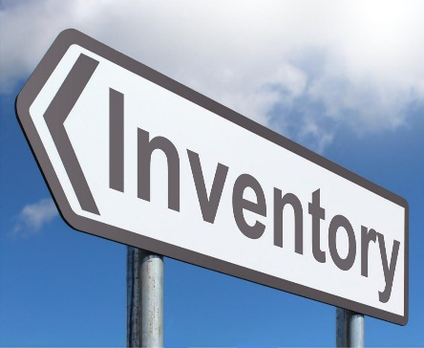

148
153161508
29.05%

Upcoming Restock
Average Reorder Level
Average Cost Unit

10289.19
Jul–Oct 2025
59.32

Stock Value by Category (₹)
 | Total
Groceries | 153161507.76
Total value by Store Location
 | Total
Pune Store | 33664106.01
Online | 24435985.79
Ahmedabad Branch | 34935153.66
Mumbai Store | 13697857.29
Delhi Warehouse | 46428405.01




Supplier-wise Product Share (%)
 | Total
ABC Pvt Ltd | 100.00%
Stock Status
 | Total
In stock | 70.95%
Low stock | 29.05%

Restock Trend
 | Total
Jul | 2631
Aug | 5436
Sep | 5183
Oct | 2104

